Sheet1
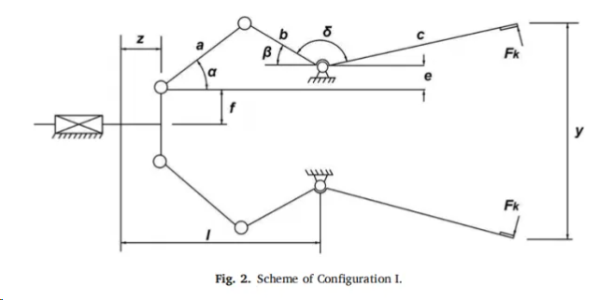
name | DBO | HHO | GWO | I-BKA
ave-cg |  |  |  |  |  | a = x(1) | b = x(2) | c = x(3) | e = x(4) | ff = x(5) | l = x(6) | delta = x(7)
worst | 4.2444108281 | 1018.872605 | 4.2862818038 | 4.0102187884 |  | x1 | x2 | x3 | x4 | x5 | x6 | x7 | x7(deg) | x7(pi)
best | 253658.34638 | 187966.10837 | 6.9595253061 | 4.4400816408 | DBO | 100 | 89.55925621 | 102.2660319 | 10 | 14.852409256 | 100.66922956 | 1.7151438699 | 98.270505 | 0.54594725 | 1.2pi | 3.7699111843 | 216
std | 113436.81383 | 76521.438031 | 1.1017892477 | 0.17514737971 | HHO | 100 | 46.010512036 | 140.6353874 | 15.221029927 | 12.487634432 | 98.996818768 | 1.6330784617 | 93.568503469 | 0.51982501927 | 1.8pi | 5.6548667765 | 324
mean | 50736.404941 | 55464.744082 | 5.0129702313 | 4.2615425207 | GWO | 100 | 88.640401101 | 109.18436065 | 10.186067737 | 28.683926125 | 111.68840135 | 1.8839736182 | 107.94373704 | 0.59968742798
median | 4.4636124742 | 33112.295663 | 4.5622994871 | 4.2680475558 | BKA | 99.323031222 | 88.826401755 | 106.76387433 | 10 | 27.287841008 | 100.7928933 | 1.8300938297 | 104.85665256 | 0.58253695864
 |  |  |  |  |  | 100 | 85 | 120 | 10 | 25 | 100 |  | 105

